Summary
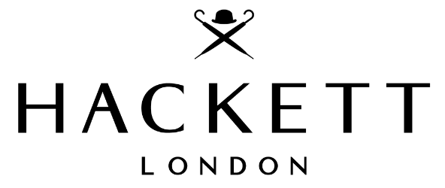
Brand | Hackett London
Total Pieces | 3,632
Total RRP | 437,890.00 €
RRP per unit | 120.56 €
Discount from RRP | 77.00%
Total Price | 100,715 €
Price per unit | 27.73 €

Category | Sum of Stock Count | Sum of Total RRP | Season | Sum of Stock Count | Sum of Total RRP
T-shirts | 2089 | 234,639.00 € | SS | 3206 | 380,725.00 €
Shirts | 1036 | 133,088.00 € | AW | 426 | 57,165.00 €
Homewear | 107 | 6,420.00 € | Grand Total | 3632 | 437,890.00 €
Shorts | 105 | 13,362.00 €
Knitwear | 79 | 14,484.00 €
Vests | 61 | 13,854.00 €
Caps | 39 | 2,523.00 € | Gender | Sum of Stock Count | Sum of Total RRP
Blouses | 35 | 3,927.00 € | Men | 3632 | 437,890.00 €
Belts | 31 | 2,819.00 € | Grand Total | 3632 | 437,890.00 €
Jackets | 28 | 8,414.00 €
Sweatshirts | 12 | 2,840.00 €
Swimwear | 6 | 480.00 €
Hoodies | 4 | 1,040.00 €
Grand Total | 3632 | 437,890.00 €

Photos
Photos | Colour Style Code | Category | Gender | QTY | RRP
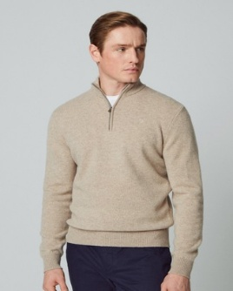 | HM703023_869 | Knitwear | Men | 48 | 169.00 €
 | HM703084_951 | Knitwear | Men | 10 | 165.00 €
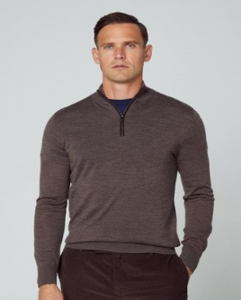 | HM703033_873 | Knitwear | Men | 10 | 229.00 €
 | HM703029_675 | Knitwear | Men | 7 | 199.00 €
 | HM702917_595 | Knitwear | Men | 3 | 280.00 €
 | HM703029_873 | Knitwear | Men | 1 | 199.00 €

